Sheet1
 |  | Document No. | Issue No. | Issue Date |  | Review and Replace Date |  | Authorised By
 |  | GFF222MC | 1 | 23.09.2020 |  | New Issue |  | Magda Shah
 |  | Document Title | 16 CRISPY PRAWNS & SWEET CHILLI DIP 200g
Document amendments reason for change |  | New product launch |  |  | Page 1 of 1 | Previous Issue Date | New Issue | Uncontrolled copy unless signed original

CPSCB-R1TEB | BOOTHS-XMAS |  | 16 CRISPY PRAWNS & SWEET CHILLI DIP 200g
STEP 1 |  |  |  |  | STEP 2
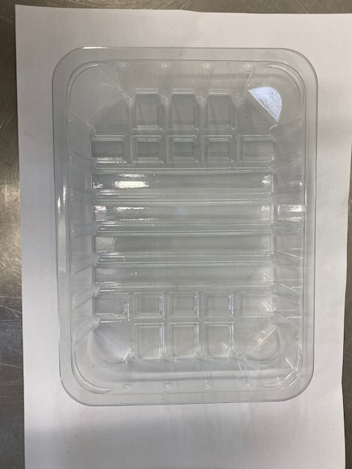 |  |  |  |  | 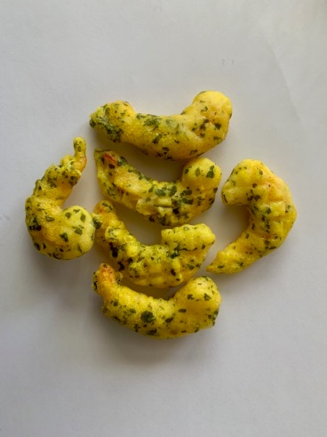

Tray: SK4-PLAIN CLEAR (PKESS001-07) |  |  |  |  | Crispy Battered Prawns (RMTRA001-07): 160g Minimum 16 pieces
Film: ME410AFV2, 410mm wide x 1000m linear PET Antifog WELD seal (PKPRO001-12)
STEP 3 |  |  |  |  | STEP 4
FROZEN
1 YEAR
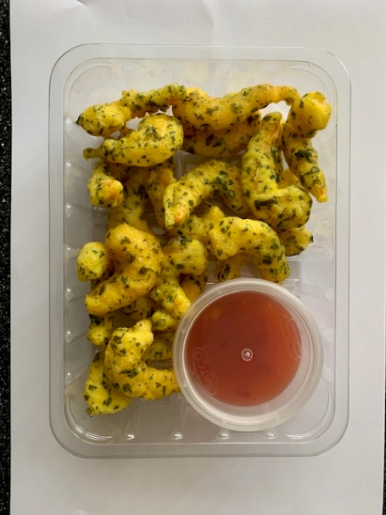

DEFROSTED
+ 14 DAYS

Sweet Chilli Dip (GFF109R): 40g |  |  |  |  | TOTAL WEIGHT: 200g
Satco 2oz Pots with Lids (PKJEN001-03)
ALLERGY ALERT: Crustacean, Soya, Sulphites, Wheat

